AAP_NyadanuUmbrellaReview
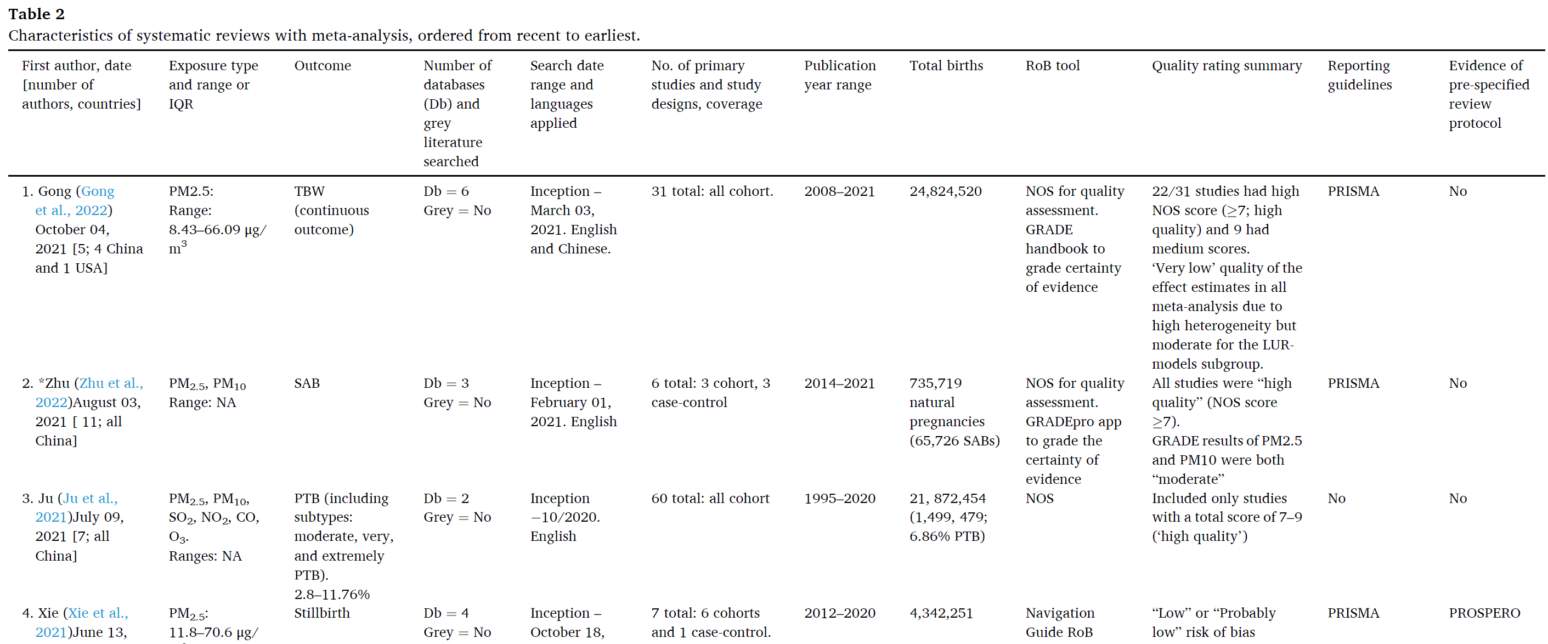

JBI standardised critical appraisal tool (Aromataris et al., 2020) for review studies and the JBI SUMARI software (Munn et al., 2019) was used. The 11 items were checked as ‘yes’ (1), ‘unclear’ or ‘no’ (0). Item 9 was scored not applicable (NA) for reviews without meta-analyses. The ‘yes’ items were summed to total scores, which were categorised as 0–5, 6–8, and 9–11 and rated ‘high’, ‘moderate’, and ‘low’ risk of bias, respectively.

AAP_RojasRuedaUmbrellaReview
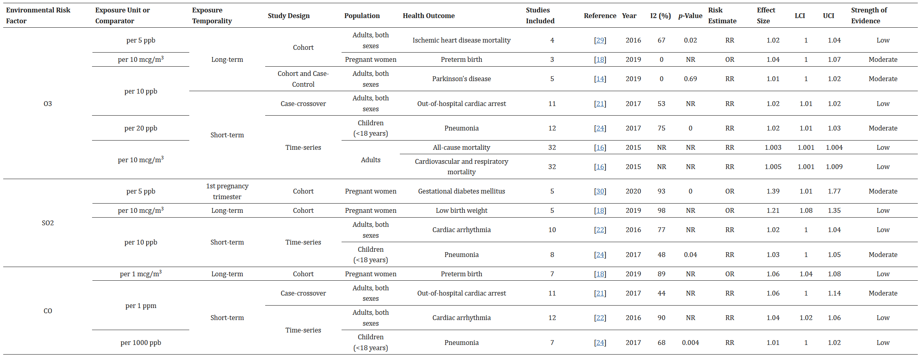
Int J Environ Res Public Health. 2021 Jan; 18(2): 704.
Published online 2021 Jan 15. doi: 10.3390/ijerph18020704
PMCID: PMC7830944
PMID: 33467516

Environmental Risk Factors and Health: An Umbrella Review of Meta-Analyses

David Rojas-Rueda,1,* Emily Morales-Zamora,2 Wael Abdullah Alsufyani,3 Christopher H. Herbst,4 Salem M. AlBalawi,3 Reem Alsukait,4,5 and Mashael Alomran3
Exposure Unit or Comparator | Population | Health Outcome | Studies Included | Reference | Year | I2 (%) | p-Value | Risk Estimate | Effect Size | LCI | UCI | Strength of Evidence
LT: PM2.5 per 10 ug/m3 | Children | Asthma | 10 | [36] | 2017 | 28 | 0.18 | OR | 1.03 | 1.01 | 1.05 | Moderate
 |  | Autism spectrum disorder | 3 | [20] | 2016 | 0 | 0.54 | OR | 2.32 | 2.15 | 2.51 | Moderate
 | Children (<5 years) | Acute low respiratory infections | 28 | [8] | 2014 | NR | NR | IRF | F | F | F | Low
 | Pregnant women | Small for gestational age | 5 | [18] | 2019 | 51 | NR | OR | 1.01 | 1 | 1.03 | Low
 |  | Autistic syndrome disorder | 9 | [17] | 2020 | 91 | <0.001 | RR | 1.06 | 1.01 | 1.11 | Moderate
ST. PM2.5 per 10 ug/m3 | Children (<18 years) | Pneumonia | 11 | [24] | 2017 | 38 | 0.08 | RR | 1.02 | 1.01 | 1.03 | Moderate
LT: PM10 per 10 ug/m3 | Children | Asthma | 12 | [36] | 2017 | 29 | 0.16 | OR | 1.05 | 1.02 | 1.08 | Moderate
 | Pregnant women | Low birth weight | 11 | [18] | 2019 | 73 | NR | OR | 1.06 | 1.02 | 1.09 | Low
 |  | Preterm birth | 8 | [18] | 2019 | 81 | NR | OR | 1.05 | 1.02 | 1.07 | Low
 | Children | Autism spectrum disorder | 6 | [20] | 2016 | 2 | 0.41 | OR | 1.07 | 1.06 | 1.08 | Moderate
ST. PM10 per 20 ug/m3 | Children | Pneumonia | 10 | [24] | 2017 | 66 | 0 | RR | 1.02 | 1.01 | 1.02 | Moderate
 | (<18 years)
LT: EC per 0.5 × 10−5 M−1 | Children | Asthma | 8 | [36] | 2017 | 0 | 0.87 | OR | 1.08 | 1.03 | 1.14 | Moderate
LT: NO2 per 10 ug/m3 | Children | Asthma | 20 | [36] | 2017 | 65 | <0.001 | OR | 1.05 | 1.02 | 1.07 | Moderate
 | Pregnant women | Low birth weight | 11 | [18] | 2019 | 32 | NR | OR | 1.02 | 1 | 1.04 | Moderate
 |  | Small for gestational age | 5 | [18] | 2019 | 87 | NR | OR | 1.02 | 1.01 | 1.03 | Low
ST: NO2 per 20 ppb | Children (<18 years) | Pneumonia | 10 | [24] | 2017 | 71 | 0 | RR | 1.01 | 1 | 1.02 | Moderate
LT: Nox per 20ppb | Pregnant women | Low birth weight | 3 | [18] | 2019 | 58 | NR | OR | 1.03 | 1.01 | 1.05 | Low
 |  | Preterm birth | 5 | [18] | 2019 | 88 | NR | OR | 1.02 | 1.01 | 1.03 | Low
LT: O3 per 10 ug/m3 | Pregnant women | Preterm birth | 3 | [18] | 2019 | 0 | NR | OR | 1.04 | 1 | 1.07 | Moderate
ST: O3 per 20 pbb | Children (<18 years) | Pneumonia | 12 | [24] | 2017 | 75 | 0 | RR | 1.02 | 1.01 | 1.03 | Moderate
LT: SO2 per 5 ppb | Pregnant women | Gestational diabetes mellitus | 5 | [30] | 2020 | 93 | 0 | OR | 1.39 | 1.01 | 1.77 | Moderate
LT: SO2 per 10 ug/m3 | Pregnant women | Low birth weight | 5 | [18] | 2019 | 98 | NR | OR | 1.21 | 1.08 | 1.35 | Low
ST: SO2 per 10 ppb | Children (<18 years) | Pneumonia | 8 | [24] | 2017 | 48 | 0.04 | RR | 1.03 | 1 | 1.05 | Moderate
LT: CO per 1 mcg/m3 | Pregnant women | Preterm birth | 7 | [18] | 2019 | 89 | NR | OR | 1.06 | 1.04 | 1.08 | Low
ST: CO per 1000 ppb | Children (<18 years) | Pneumonia | 7 | [24] | 2017 | 68 | 0.004 | RR | 1.01 | 1 | 1.02 | Low

