Hypertension
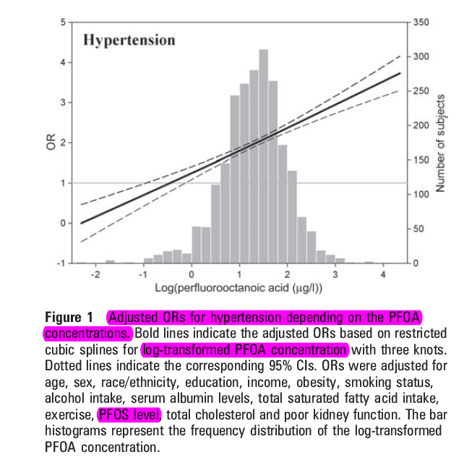
 | Fill in orange fields
Exposure effect Min et al. |  |  |  |  |  |  |  |  | Exposure used (Fill in)
central | y=2.4119*log PFOA (in µg/L) -0.0045 |  |  |  | 2.4119 | -0.0045
95%LL | y=1.1825*log PFOA (in µg/L) + 0.4128 |  |  |  | 1.1825 | 0.4128 |  |  | PFOA (µg/L) | P5 | P10 | P25 | P50 | P75 | P90 | P95
95%UL | y=4.0353*logPFOA (in µg/L) -0.5417 |  |  |  | 4.0353 | -0.5417 |  |  |  | 1.416 | 1.78 | 2.32 | 2.86 | 3.59 | 4.598 | 5.477

Percentile | P0-P10 | P10-P25 | P25-P50 | P50-P75 | P75-P90 | P90-P95 | >P95
PFOA (µg/L) | 1.42 | 2.05 | 2.59 | 3.22 | 4.09 | 5.04 | 5.48 |  | Population > 20y |  | 8978799
OR as proxy for RR | 1.00 | 1.00 | 1.00 | 1.22 | 1.47 | 1.69 | 1.78 | Change equation for estimating CI
AF in percentile | 0.00 | 0.00 | 0.00 | 0.18 | 0.32 | 0.41 | 0.44
Number of adults in percentile | 897880 | 1346820 | 2244700 | 2244700 | 1346820 | 448940 | 448940
New cases hypertension/year | 6285 | 9428 | 15713 | 15713 | 9428 | 3143 | 3143
New hypertension cases associated with PFOA | 0 | 0 | 0 | 2855 | 3023 | 1282 | 1374
Total number of new cases associated with PFOA | 8534
Mortality cases | 0 | 0 | 0 | 34 | 36 | 15 | 16
Total mortality cases | 102

DALYS | 1024 | Loss of 10 years due to hypertension or cardiovascular disease sterfgeval

AF hypertension | 14%

 |  |  |  |  |  |  |  |  | PFOA (µg/L) | log_PFOA | OR
 |  |  |  |  |  |  |  |  | 2.6 | 0.41497334797 | 1
 |  |  |  |  |  |  |  |  | 3.3 | 0.51851393988 | 1.24
 |  |  |  |  |  |  |  |  | 4.75 | 0.67669360962 | 1.63
 |  |  |  |  |  |  |  |  | 5.6 | 0.74818802701 | 1.8
 |  |  |  |  |  |  |  |  | 2.6 | 0.41497334797 | 1
 |  |  |  |  |  |  |  |  | 3.3 | 0.51851393988 | 0.89
 |  |  |  |  |  |  |  |  | 4.75 | 0.67669360962 | 1.2
 |  |  |  |  |  |  |  |  | 5.6 | 0.74818802701 | 1.35
 |  |  |  |  |  |  |  |  | 2.6 | 0.41497334797 | 1
 |  |  |  |  |  |  |  |  | 3.3 | 0.51851393988 | 1.74
 |  |  |  |  |  |  |  |  | 4.75 | 0.67669360962 | 2.2
 |  |  |  |  |  |  |  |  | 5.6 | 0.74818802701 | 2.41

